SPOT_FWD EURCHF
ID | Kerius ID | Strategy ID | Trade ID | Client | Product | Comment | Counterparty | Trade Date | Trade Premium | Premium CCY | Position | Trade Type | Notional CCY | Notional Amount | CCY Pair | Strike | Barrier Level | Barrier Type | Barrier EURAM | Barrier Continious | Barrier Direction | Barrier Touched | Barrier Window Start | Barrier Window End | Expiry Date | Settlement Date | Settlement Type | Fixing Ticker | Fixing | Termination Date | Termination Premium | Termination IV | Pricing Model | Holiday List | Status | Link ID | Event | Notional Accounting | Min | Max | Underlying | Hedge Reference | Grouping 1 | Initial Spot Rate | Date paiement | Paiement Spot Rate | Date lancement | Spot date d'acquisition | Forward date d'acquisition | Spot date de transfert | Forward date de transferts | Type couverture | Date Facturation | Date Stock | Calculate Greeks | ComptaYear | Affectation | GHP
311 | FXCLIENT311 | 12-D | 311 | CLIENT | Spot | Levée anticipée sur cours historique Trade ID 302 | BARCLAYS | 2026-01-06 | 0.00 |  | SELL | SPOT | CHF | 8,640,000 | EURCHF | 0.94850 |  |  |  | FALSE |  | FALSE |  |  |  | 2026-01-08 | PHYSICAL |  |  |  |  |  | DISCOUNTING | TARGET | ACTIVE | 311 | NA | TRUE |  |  | FALSE | EPD VI |  | 0.9485 | 2026-01-08 |  |  |  |  |  |  |  |  |  |  |  | CFH | TRUE
312 | FXCLIENT312 | 12-D | 312 | CLIENT | FWD | Levée anticipée sur cours historique Trade ID 302 | BARCLAYS | 2026-01-06 | 0.00 |  | BUY | FORWARD | CHF | 8,640,000 | EURCHF | 0.94680 |  |  |  | FALSE |  | FALSE |  |  |  | 2026-01-30 | PHYSICAL |  |  |  |  |  | DISCOUNTING | TARGET | ACTIVE | 312 | NA | TRUE |  |  | FALSE | EPD VI |  | 0.9485 | 2026-01-30 |  |  |  |  |  |  |  |  |  |  |  | CFH | TRUE

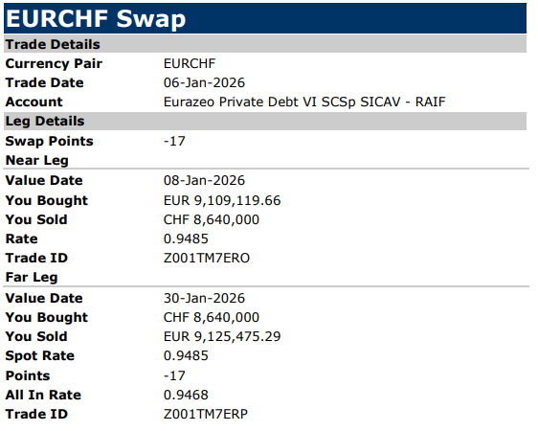

SPOT_FWD EURUSD
ID | Kerius ID | Strategy ID | Trade ID | Client | Product | Comment | Counterparty | Trade Date | Trade Premium | Premium CCY | Position | Trade Type | Notional CCY | Notional Amount | CCY Pair | Strike | Barrier Level | Barrier Type | Barrier EURAM | Barrier Continious | Barrier Direction | Barrier Touched | Barrier Window Start | Barrier Window End | Expiry Date | Settlement Date | Settlement Type | Fixing Ticker | Fixing | Termination Date | Termination Premium | Termination IV | Pricing Model | Holiday List | Status | Link ID | Event | Notional Accounting | Min | Max | Underlying | Hedge Reference | Grouping 1 | Initial Spot Rate | Date paiement | Paiement Spot Rate | Date lancement | Spot date d'acquisition | Forward date d'acquisition | Spot date de transfert | Forward date de transferts | Type couverture | Date Facturation | Date Stock | Calculate Greeks | ComptaYear | Affectation | GHP
1926 | FXCLIENT1926 | 562-D | 1926 | CLIENT | Spot | New Hedge | NATWEST | 2026-02-20 | 0 |  | BUY | SPOT | USD | 540,301 | EURUSD | 1.1761 |  |  |  | FALSE |  | FALSE |  |  |  | 2026-02-24 | PHYSICAL |  |  |  |  |  | DISCOUNTING | TARGET | ACTIVE | 1926 | NA | TRUE |  |  | FALSE | KCO V Feeder |  | 1.1761 | 2026-02-24 |  |  |  |  |  |  |  |  |  |  |  |  | TRUE
1927 | FXCLIENT1927 | 562-D | 1927 | CLIENT | FWD | New Hedge | NATWEST | 2026-02-20 | 0 |  | SELL | FORWARD | USD | 540,622 | EURUSD | 1.1768 |  |  |  | FALSE |  | FALSE |  |  |  | 2026-03-06 | PHYSICAL |  |  |  |  |  | DISCOUNTING | TARGET | ACTIVE | 1927 | NA | TRUE |  |  | FALSE | KCO V Feeder |  | 1.1761 | 2026-03-06 |  |  |  |  |  |  |  |  |  |  |  |  | TRUE

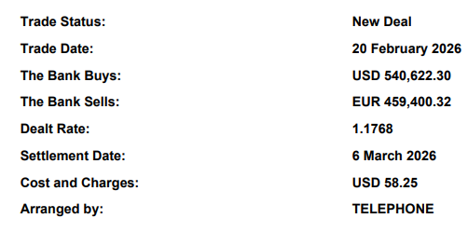

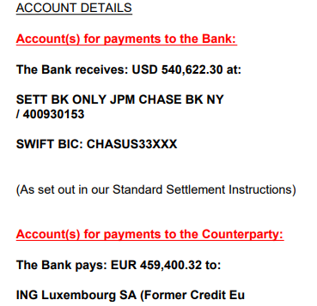

SPOT_FWD EURGBP
ID | Kerius ID | Strategy ID | Trade ID | Client | Product | Comment | Counterparty | Trade Date | Trade Premium | Premium CCY | Position | Trade Type | Notional CCY | Notional Amount | CCY Pair | Strike | Barrier Level | Barrier Type | Barrier EURAM | Barrier Continious | Barrier Direction | Barrier Touched | Barrier Window Start | Barrier Window End | Expiry Date | Settlement Date | Settlement Type | Fixing Ticker | Fixing | Termination Date | Termination Premium | Termination IV | Pricing Model | Holiday List | Status | Link ID | Event | Notional Accounting | Min | Max | Underlying | Hedge Reference | Grouping 1 | Initial Spot Rate | Date paiement | Paiement Spot Rate | Date lancement | Spot date d'acquisition | Forward date d'acquisition | Spot date de transfert | Forward date de transferts | Type couverture | Date Facturation | Date Stock | Calculate Greeks | ComptaYear | Affectation | GHP
1902 | FXCLIENT1902 | 549-D | 1902 | CLIENT | SPOT | New Hedge | BIL | 2026-01-27 | 0 |  | BUY | SPOT | GBP | 75,000 | EURGBP | 0.8681 |  |  |  | FALSE |  | FALSE |  |  |  | 2026-01-28 | PHYSICAL |  |  |  |  |  | DISCOUNTING | TARGET | ACTIVE | 1902 | NA | TRUE |  |  | FALSE | KASS C |  | 0.8681 | 2026-01-28 | 0.86566 |  |  |  |  |  |  |  |  |  |  |  | TRUE
1903 | FXCLIENT1903 | 549-D | 1903 | CLIENT | FWD | New Hedge | BIL | 2026-01-27 | 0 |  | SELL | FORWARD | GBP | 207,098 | EURGBP | 0.8701 |  |  |  | FALSE |  | FALSE |  |  |  | 2026-03-06 | PHYSICAL |  |  |  |  |  | DISCOUNTING | TARGET | ACTIVE | 1903 | NA | TRUE |  |  | FALSE | KASS C |  | 0.8681 | 2026-03-06 |  |  |  |  |  |  |  |  |  |  |  |  | TRUE
1904 | FXCLIENT1904 | 550-D | 1904 | CLIENT | FWD | New Hedge | BIL | 2026-01-27 | 0 |  | SELL | FORWARD | GBP | 825,341 | EURGBP | 0.8701 |  |  |  | FALSE |  | FALSE |  |  |  | 2026-03-06 | PHYSICAL |  |  |  |  |  | DISCOUNTING | TARGET | ACTIVE | 1904 | NA | TRUE |  |  | FALSE | KSS - Comp A |  | 0.8681 | 2026-03-06 |  |  |  |  |  |  |  |  |  |  |  |  | TRUE
1905 | FXCLIENT1905 | 551-D | 1905 | CLIENT | FWD | New Hedge | BIL | 2026-01-27 | 0 |  | SELL | FORWARD | GBP | 212,455 | EURGBP | 0.8701 |  |  |  | FALSE |  | FALSE |  |  |  | 2026-03-06 | PHYSICAL |  |  |  |  |  | DISCOUNTING | TARGET | ACTIVE | 1905 | NA | TRUE |  |  | FALSE | KSS - Comp B |  | 0.8681 | 2026-03-06 |  |  |  |  |  |  |  |  |  |  |  |  | TRUE

